Component_Data
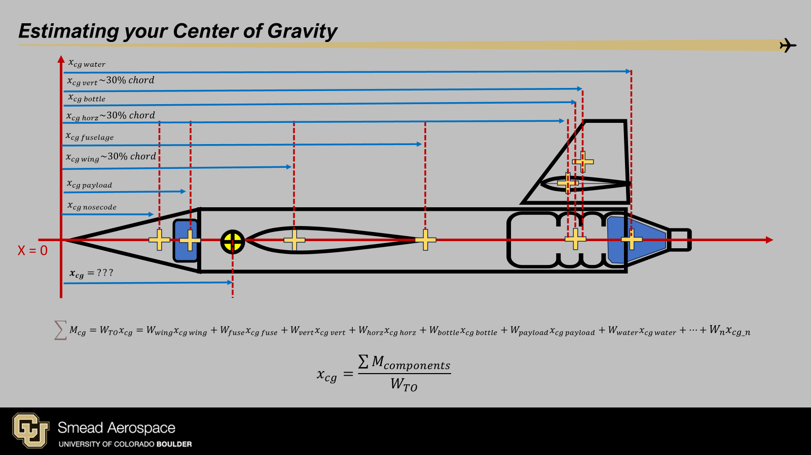
Config | m_nose | Xcg_nose | m_fuse | Xcg_fuse | m_wing | X_LE_wing | Xcg_wing | m_h1 | X_LE_h1 | Xcg_h1 | m_v1 | X_LE_v1 | Xcg_v1 | m_v2 | X_LE_v2 | Xcg_v2 | m_bottle | Xcg_bottle | m_pay | Xcg_pay | m_ballast | Xcg_ballast | Xcg_water
900ml | 10 | 0.076 | 0 | 0 | 0 | 0.75 | 0 | 0 | 0 | 0 | 0 | 0.75 | 0 | 0 | 0.75 | 0 | 75 | 0 | 24 | 0.12 | 0 | 0 | 0
900ml | 10 | 0.076 | 0 | 0 | 0 | 0.75 | 0 | 0 | 0 | 0 | 0 | 0.75 | 0 | 0 | 0.75 | 0 | 75 | 0 | 24 | 0.12 | 0 | 0 | 0
900ml | 10 | 0.076 | 0 | 0 | 0 | 0.75 | 0 | 0 | 0 | 0 | 0 | 0.75 | 0 | 0 | 0.75 | 0 | 75 | 0 | 24 | 0.12 | 0 | 0 | 0
900ml | 10 | 0.076 | 0 | 0 | 0 | 0.75 | 0 | 0 | 0 | 0 | 0 | 0.75 | 0 | 0 | 0.75 | 0 | 75 | 0 | 24 | 0.12 | 0 | 0 | 0
900ml | 10 | 0.076 | 0 | 0 | 0 | 0.75 | 0 | 0 | 0 | 0 | 0 | 0.75 | 0 | 0 | 0.75 | 0 | 75 | 0 | 24 | 0.12 | 0 | 0 | 0
900ml | 10 | 0.076 | 0 | 0 | 0 | 0.75 | 0 | 0 | 0 | 0 | 0 | 0.75 | 0 | 0 | 0.75 | 0 | 75 | 0 | 24 | 0.12 | 0 | 0 | 0
900ml | 10 | 0.076 | 0 | 0 | 0 | 0.75 | 0 | 0 | 0 | 0 | 0 | 0.75 | 0 | 0 | 0.75 | 0 | 75 | 0 | 24 | 0.12 | 0 | 0 | 0

Benchmark_Truth
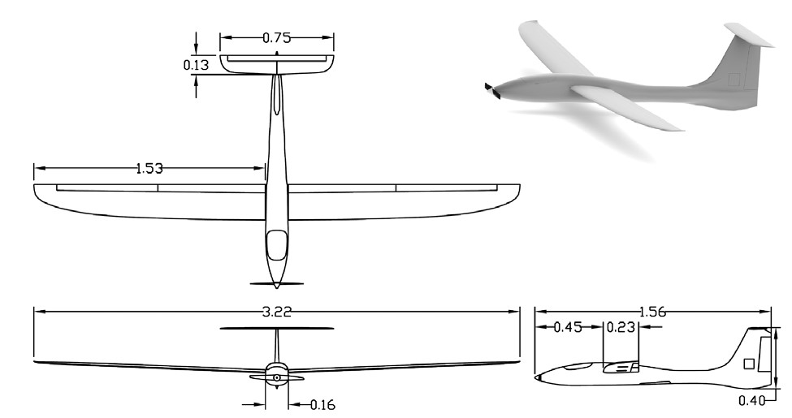
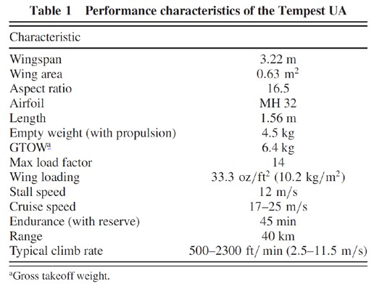
AoA | CL | CD
-5 | -0.32438 | 0.044251
-4 | -0.21503 | 0.033783
-3 | -0.10081 | 0.028627
-2 | 0.010503 | 0.025864
-1 | 0.12155 | 0.024643
0 | 0.24163 | 0.025099
1 | 0.34336 | 0.025635
2 | 0.45256 | 0.02766
3 | 0.56037 | 0.030677
4 | 0.66625 | 0.034855
5 | 0.76942 | 0.040403
6 | 0.86923 | 0.04759
7 | 0.96386 | 0.057108
8 | 1.0441 | 0.070132
9 | 1.0743 | 0.090921
10 | 1.0807 | 0.11193
11 | 1.0379 | 0.13254
12 | 1.034 | 0.15645

Geometry Reference
